Sheet1
 |  | Document No. | Issue No. |  | Issue Date |  |  | Review and Replace Date |  |  | Authorised By
 |  | GFF0120MC | 1 |  | 05.09.2019 |  |  | New Issue |  |  | Magda Shah
 |  | Document Title | CASHEW CHICKPEA KORMA WITH BLACK RICE 450g
Document amendments reason for change |  | New product launch |  |  |  | Previous Issue Date |  |  | New Issue |  | Uncontrolled copy unless signed original

FVKRCR-R8TMC | MINDFUL CHEF |  | CASHEW CHICKPEA KORMA WITH BLACK RICE 450g │ FROZEN
STEP 1 |  |  |  | STEP 2 |  |  |  |  |  | STEP 3
 |  |  |  | 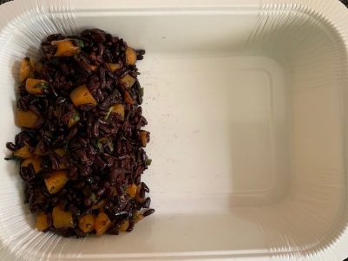 |  |  |  |  |  | 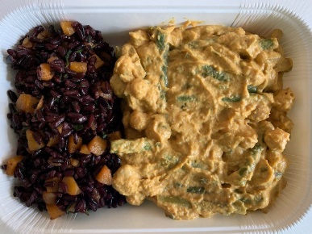

Tray: WHITE OVENABLE BOARD TRAY (PKSOU002-01) |  |  |  | Black Rice with Butternut Squash (GFF278R); 110g |  |  |  |  |  | Chickpea Korma Sauce (MC) (GFF277R); 285g
Film: 145 X 100 X 250 (PKWRA001-07)
STEP 4 |  |  |  |  |  |  | STEP 5
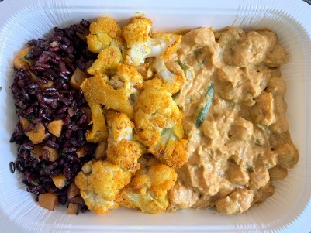 |  |  |  |  |  |  | 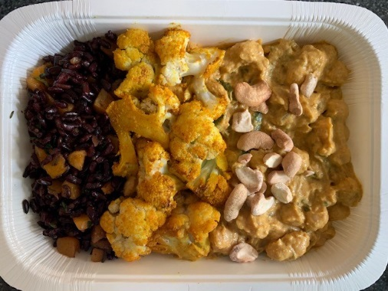

PACK DATE + 1 YEAR

Roasted Cauliflower (GFF279R) 50g |  |  |  |  |  |  | Roasted Cashews LP (RMKLU001-03) 5g |  |  |  |  | TOTAL WEIGHT: 450g

ALLERGY ALERT: NUTS

